Welfare
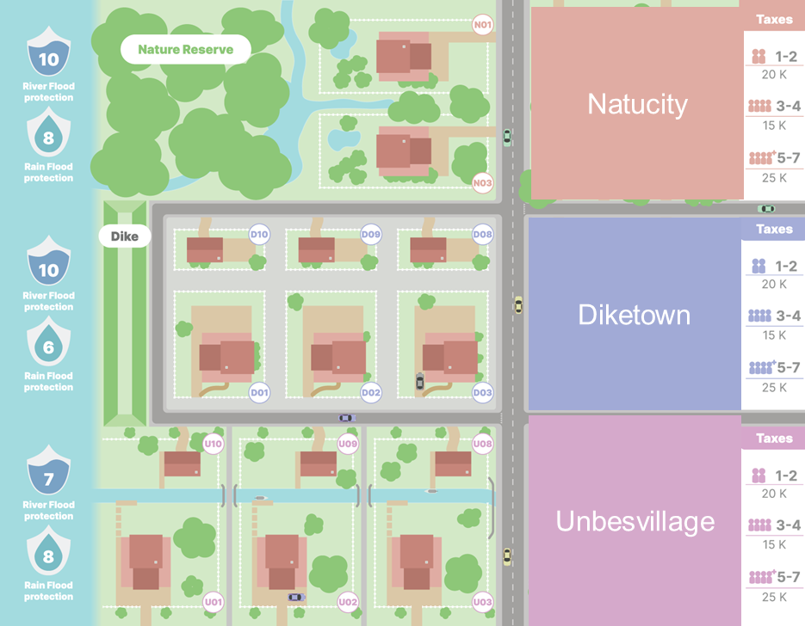
 |  |  |  |  |  |  |  |  |  |  | 10%
Homeowner welfare type | Income | Living costs | Maximum mortgage | Starting savings | Increase satisfaction | Preferred house rating | House mortgage | Taxes | Income savings | Expenses | Insurance | Measures

Very low | 50 | 20 | 80 | 0 | 0 | 3 | 8 | 20 | 50 | 48 | 8 | -6
Low | 65 | 30 | 110 | 5 | 6 | 4 | 11 | 20 | 71 | 61 | 11 | -1
Low average | 80 | 40 | 130 | 15 | 8 | 5 | 13 | 20 | 88 | 73 | 13 | 2
High average | 100 | 50 | 170 | 30 | 10 | 6 | 17 | 20 | 110 | 87 | 17 | 6
High | 120 | 65 | 200 | 50 | 13 | 7 | 20 | 20 | 133 | 105 | 20 | 8
Very high | 180 | 105 | 300 | 80 | 21 | 8 | 30 | 20 | 201 | 155 | 30 | 16
Increase | 10 | 10 |  |  |  |  |  |  |  |  | 2.5% |  | 5% | 3%
Homeowner welfare type | Income | Living costs | Maximum mortgage | Starting savings | Increase satisfaction | Preferred house rating | House mortgage | Taxes | Income savings | Expenses | Insurance | Measures | Improvements
 |  |  |  |  |  |  |  |  |  |  |  |  | Structural | Minor
Very low | 60 | 30 | 80 | 0 | 0 | 3 | 8 | 20 | 60 | 58 | 2 | 2 | 4 | 2
Low | 75 | 40 | 110 | 5 | 6 | 4 | 11 | 20 | 81 | 71 | 2.75 | 10 | 5.5 | 2.75
Low average | 90 | 50 | 130 | 15 | 8 | 5 | 13 | 20 | 98 | 83 | 3.25 | 15 | 6.5 | 3.25
High average | 110 | 60 | 170 | 30 | 10 | 6 | 17 | 20 | 120 | 97 | 4.25 | 23 | 8.5 | 4.25
High | 130 | 75 | 200 | 50 | 13 | 7 | 20 | 20 | 143 | 115 | 5 | 28 | 10 | 5
Very high | 190 | 115 | 300 | 80 | 21 | 8 | 30 | 20 | 211 | 165 | 7.5 | 46 | 15 | 7.5

